1516_1
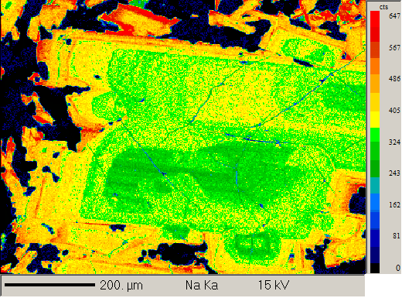
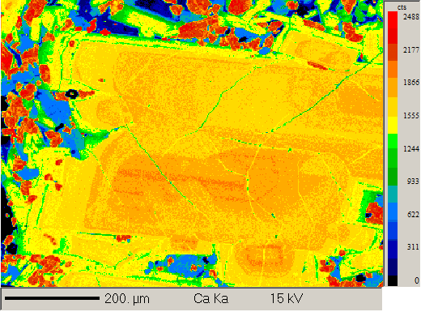
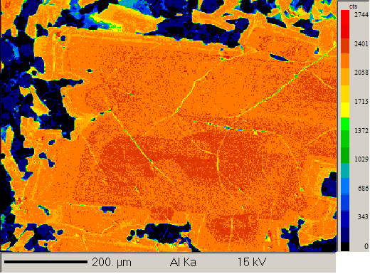
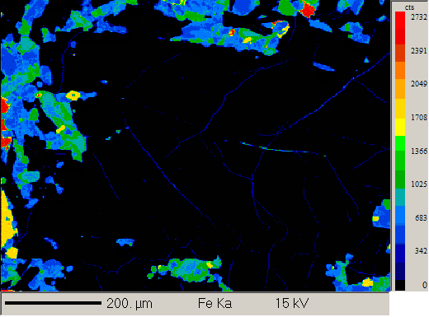
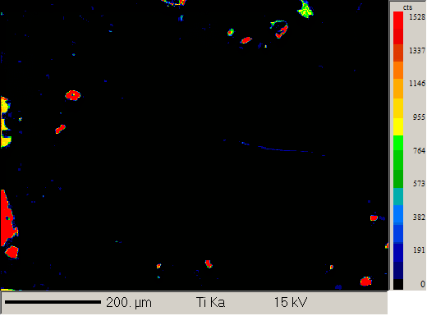
group 5 |  |  |  |  |  |  |  |  |  |  |  | Geoff notes | Plagioclase phenocryst 6 element maps
15_16_1 flood basalt

Auto analysis

Formula | Na2O | K2O | MgO | CaO | FeO | SrO | Al2O3 | SiO2 | TiO2 | Total | Comment
1 / 1 . | 2.14 | 0.04 | 0.11 | 16.84 | 0.63 | 0.05 | 31.88 | 47.58 | 0.04 | 99.32 | IS16 - 1 Phenocryst Core 1 | Plagioclase
2 / 1 . | 2.24 | 0.05 | 0.11 | 16.65 | 0.62 | 0.06 | 32.00 | 47.66 | 0.04 | 99.43 | IS16 - 1 Phenocryst Core 1 | Plagioclase
3 / 1 . | 2.20 | 0.05 | 0.11 | 16.74 | 0.61 | 0.04 | 31.85 | 47.67 | 0.04 | 99.31 | IS16 - 1 Phenocryst Core 1 | Plagioclase
4 / 1 . | 5.19 | 0.24 | 0.09 | 11.69 | 0.96 | 0.09 | 27.63 | 54.65 | 0.13 | 100.67 | IS16 - 1 Phenocryst 1 rim | Plagioclase
5 / 1 . | 5.05 | 0.23 | 0.09 | 11.80 | 0.84 | 0.09 | 27.48 | 54.01 | 0.11 | 99.70 | IS16 - 1 Phenocryst 1 rim | Plagioclase
6 / 1 . | 5.27 | 0.28 | 0.06 | 11.12 | 0.75 | 0.08 | 27.17 | 54.18 | 0.10 | 99.02 | IS16 - 1 Phenocryst 1 rim | Plagioclase
7 / 1 . | 3.66 | 0.10 | 0.16 | 14.07 | 0.67 | 0.06 | 29.54 | 51.33 | 0.08 | 99.68 | IS16 - 1 Phenocryst 2 core | Plagioclase
8 / 1 . | 3.75 | 0.10 | 0.16 | 14.01 | 0.68 | 0.06 | 29.36 | 51.05 | 0.08 | 99.26 | IS16 - 1 Phenocryst 2 core | Plagioclase
9 / 1 . | 3.69 | 0.11 | 0.16 | 14.05 | 0.72 | 0.06 | 29.59 | 51.23 | 0.08 | 99.70 | IS16 - 1 Phenocryst 2 core | Plagioclase
10 / 1 . | 5.47 | 0.32 | 0.07 | 10.89 | 0.76 | 0.07 | 26.64 | 55.31 | 0.11 | 99.66 | IS16 - 1 Phenocryst 2 rim | Plagioclase
11 / 1 . | 5.50 | 0.26 | 0.08 | 10.85 | 0.78 | 0.07 | 26.66 | 55.12 | 0.11 | 99.44 | IS16 - 1 Phenocryst 2 rim | Plagioclase
12 / 1 . | 5.52 | 0.32 | 0.08 | 10.66 | 0.79 | 0.08 | 26.50 | 55.02 | 0.10 | 99.06 | IS16 - 1 Phenocryst 2 rim | Plagioclase
13 / 1 . | 4.53 | 0.18 | 0.11 | 12.69 | 0.71 | 0.07 | 28.16 | 52.87 | 0.11 | 99.42 | IS16 - 1 Phenocryst 3 core | Plagioclase
14 / 1 . | 4.40 | 0.17 | 0.12 | 12.80 | 0.75 | 0.06 | 28.44 | 53.10 | 0.10 | 99.96 | IS16 - 1 Phenocryst 3 core | Plagioclase
15 / 1 . | 4.66 | 0.18 | 0.12 | 12.47 | 0.70 | 0.05 | 28.30 | 53.03 | 0.12 | 99.64 | IS16 - 1 Phenocryst 3 core | Plagioclase
16 / 1 . | 5.64 | 0.31 | 0.09 | 10.43 | 0.96 | 0.07 | 26.05 | 55.10 | 0.16 | 98.82 | IS16 - 1 Phenocryst 3 rim | Plagioclase
17 / 1 . | 5.64 | 0.29 | 0.08 | 10.55 | 0.74 | 0.07 | 26.35 | 55.74 | 0.12 | 99.59 | IS16 - 1 Phenocryst 3 rim | Plagioclase
18 / 1 . | 5.80 | 0.31 | 0.07 | 10.18 | 0.65 | 0.08 | 26.08 | 55.99 | 0.09 | 99.26 | IS16 - 1 Phenocryst 3 rim | Plagioclase | Plagioclase phenocryst 7 element maps
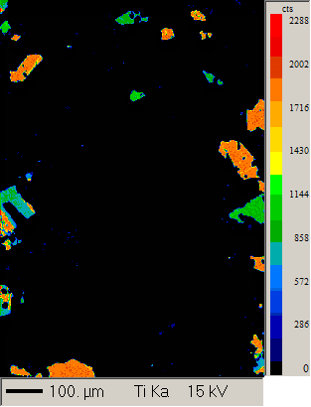
19 / 1 . | 3.80 | 0.13 | 0.12 | 13.94 | 0.68 | 0.08 | 29.38 | 50.97 | 0.08 | 99.19 | IS16 - 1 Phenocryst 4 intermediate core | Plagioclase
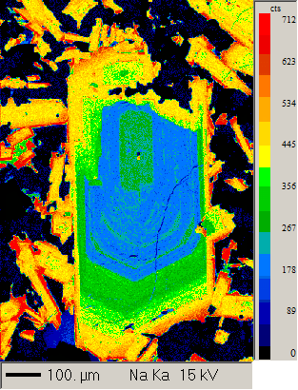
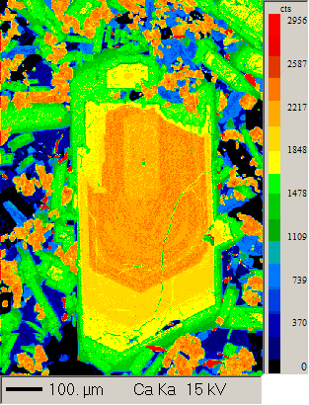
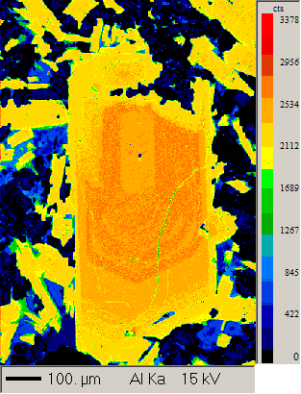
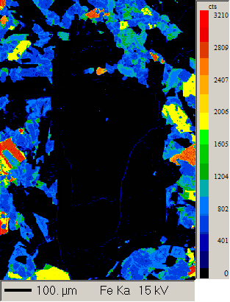
20 / 1 . | 3.90 | 0.13 | 0.12 | 13.69 | 0.71 | 0.05 | 28.75 | 51.28 | 0.09 | 98.73 | IS16 - 1 Phenocryst 4 intermediate core | Plagioclase
21 / 1 . | 3.89 | 0.14 | 0.11 | 13.51 | 0.67 | 0.07 | 28.95 | 51.37 | 0.09 | 98.79 | IS16 - 1 Phenocryst 4 intermediate core | Plagioclase
22 / 1 . | 5.39 | 0.31 | 0.08 | 10.85 | 0.82 | 0.09 | 26.93 | 54.40 | 0.10 | 98.98 | IS16 - 1 Phenocryst 4 intermediate rim | Plagioclase
23 / 1 . | 5.34 | 0.29 | 0.07 | 10.87 | 0.77 | 0.08 | 27.01 | 54.80 | 0.10 | 99.33 | IS16 - 1 Phenocryst 4 intermediate rim | Plagioclase
24 / 1 . | 5.65 | 0.31 | 0.10 | 10.67 | 0.79 | 0.07 | 26.54 | 55.06 | 0.09 | 99.29 | IS16 - 1 Phenocryst 4 intermediate rim | Plagioclase
25 / 1 . | 3.52 | 0.11 | 0.14 | 14.48 | 0.74 | 0.06 | 29.27 | 50.36 | 0.08 | 98.75 | IS16 - 1 Phenocryst 5 intermediate core | Plagioclase
26 / 1 . | 3.29 | 0.11 | 0.13 | 14.63 | 0.74 | 0.08 | 29.65 | 49.56 | 0.08 | 98.28 | IS16 - 1 Phenocryst 5 intermediate core | Plagioclase
27 / 1 . | 3.48 | 0.11 | 0.13 | 14.36 | 0.71 | 0.06 | 29.34 | 49.89 | 0.08 | 98.17 | IS16 - 1 Phenocryst 5 intermediate core | Plagioclase
28 / 1 . | 6.49 | 0.45 | 0.09 | 8.71 | 0.78 | 0.09 | 25.32 | 57.26 | 0.08 | 99.28 | IS16 - 1 Phenocryst 5 intermediate rim | Plagioclase
29 / 1 . | 6.69 | 0.42 | 0.05 | 8.97 | 0.69 | 0.09 | 25.58 | 57.52 | 0.08 | 100.09 | IS16 - 1 Phenocryst 5 intermediate rim | Plagioclase
30 / 1 . | 7.02 | 0.50 | 0.04 | 8.13 | 0.72 | 0.11 | 24.89 | 58.89 | 0.07 | 100.38 | IS16 - 1 Phenocryst 5 intermediate rim | Plagioclase
31 / 1 . | 4.11 | 0.13 | 0.17 | 13.40 | 0.67 | 0.07 | 28.82 | 51.84 | 0.09 | 99.30 | IS16 - 1 Phenocryst 6 core | Plagioclase
32 / 1 . | 4.06 | 0.12 | 0.16 | 13.47 | 0.66 | 0.05 | 28.43 | 51.53 | 0.09 | 98.59 | IS16 - 1 Phenocryst 6 core | Plagioclase
33 / 1 . | 3.04 | 0.09 | 0.15 | 15.30 | 0.67 | 0.06 | 30.38 | 49.46 | 0.08 | 99.22 | IS16 - 1 Phenocryst 6 core | Plagioclase
35 / 1 . | 4.18 | 0.15 | 0.14 | 13.26 | 0.71 | 0.06 | 28.36 | 52.02 | 0.09 | 98.98 | IS16 - 1 Phenocryst 6 rim | Plagioclase
36 / 1 . | 4.24 | 0.19 | 0.14 | 13.00 | 0.72 | 0.06 | 27.88 | 51.93 | 0.09 | 98.26 | IS16 - 1 Phenocryst 6 rim | Plagioclase
37 / 1 . | 3.00 | 0.07 | 0.13 | 15.45 | 0.66 | 0.06 | 30.35 | 49.07 | 0.05 | 98.83 | IS16 - 1 Phenocryst 7 core | Plagioclase
38 / 1 . | 2.92 | 0.07 | 0.13 | 15.43 | 0.65 | 0.05 | 30.41 | 49.12 | 0.05 | 98.85 | IS16 - 1 Phenocryst 7 core | Plagioclase
39 / 1 . | 2.87 | 0.07 | 0.13 | 15.42 | 0.66 | 0.04 | 30.55 | 48.83 | 0.05 | 98.64 | IS16 - 1 Phenocryst 7 core | Plagioclase
40 / 1 . | 5.43 | 0.26 | 0.08 | 10.70 | 0.72 | 0.07 | 27.02 | 54.92 | 0.10 | 99.31 | IS16 - 1 Phenocryst 7 rim | Plagioclase
41 / 1 . | 6.45 | 0.37 | 0.05 | 9.18 | 0.75 | 0.07 | 25.63 | 57.01 | 0.09 | 99.60 | IS16 - 1 Phenocryst 7 rim | Plagioclase
42 / 1 . | 5.43 | 0.26 | 0.08 | 10.87 | 0.76 | 0.08 | 26.79 | 55.26 | 0.10 | 99.63 | IS16 - 1 Phenocryst 7 rim | Plagioclase
43 / 1 . | 3.32 | 0.10 | 0.14 | 14.63 | 0.71 | 0.07 | 29.73 | 50.23 | 0.07 | 99.01 | IS16 - 1 Phenocryst 8 core | Plagioclase
44 / 1 . | 2.96 | 0.10 | 0.12 | 15.17 | 0.66 | 0.06 | 30.47 | 49.09 | 0.08 | 98.71 | IS16 - 1 Phenocryst 8 core | Plagioclase
45 / 1 . | 3.05 | 0.08 | 0.13 | 15.32 | 0.71 | 0.06 | 30.25 | 49.26 | 0.07 | 98.94 | IS16 - 1 Phenocryst 8 core | Plagioclase
46 / 1 . | 5.22 | 0.24 | 0.08 | 11.52 | 0.85 | 0.07 | 27.49 | 53.39 | 0.11 | 99.00 | IS16 - 1 Phenocryst 8 rim | Plagioclase
47 / 1 . | 5.12 | 0.25 | 0.08 | 11.64 | 0.83 | 0.08 | 27.47 | 53.82 | 0.11 | 99.40 | IS16 - 1 Phenocryst 8 rim | Plagioclase
48 / 1 . | 5.37 | 0.27 | 0.08 | 11.02 | 0.86 | 0.07 | 27.12 | 54.15 | 0.12 | 99.07 | IS16 - 1 Phenocryst 8 rim | Plagioclase

Manual analysis

1 / 1 . | 4.87 | 0.21 | 0.09 | 12.10 | 0.89 | 0.07 | 27.67 | 53.87 | 0.13 | 99.91 | IS-16 1 Groundmass Plag Core 1 | Plagioclase
2 / 1 . | 5.08 | 0.27 | 0.05 | 11.60 | 0.80 | 0.08 | 27.35 | 53.94 | 0.11 | 99.27 | IS-16 1 Groundmass Plag Rim 1 | Plagioclase
3 / 1 . | 5.91 | 0.35 | 0.07 | 10.30 | 0.89 | 0.08 | 26.04 | 55.73 | 0.10 | 99.49 | IS-16 1 Groundmass Plag Core 2 | Plagioclase
4 / 1 . | 5.29 | 0.27 | 0.06 | 11.33 | 0.92 | 0.08 | 27.55 | 54.21 | 0.13 | 99.83 | IS-16 1 Groundmass Plag Core 3 | Plagioclase
5 / 1 . | 5.11 | 0.25 | 0.05 | 11.60 | 0.87 | 0.09 | 27.51 | 54.34 | 0.12 | 99.95 | IS-16 1 Groundmass Plag Core 4 | Plagioclase
6 / 1 . | 5.52 | 0.27 | 0.06 | 10.94 | 0.75 | 0.07 | 26.96 | 55.21 | 0.14 | 99.94 | IS-16 1 Groundmass Plag Core 5 | Plagioclase
7 / 1 . | 7.67 | 0.92 | 0.03 | 6.21 | 0.66 | 0.09 | 23.37 | 60.93 | 0.08 | 99.98 | IS-16 1 Groundmass Plag Rim 5 | Plagioclase
8 / 1 . | 5.19 | 0.25 | 0.06 | 11.66 | 1.06 | 0.07 | 27.68 | 53.64 | 0.12 | 99.74 | IS-16 1 Groundmass Plag Core 6 | Plagioclase
9 / 1 . | 5.69 | 0.31 | 0.07 | 10.52 | 1.04 | 0.06 | 26.35 | 55.58 | 0.19 | 99.83 | IS-16 1 Groundmass Plag Core 7 | Plagioclase
10 / 1 . | 5.58 | 0.31 | 0.08 | 10.22 | 1.08 | 0.08 | 25.79 | 54.76 | 0.17 | 98.08 | IS-16 1 Groundmass Plag Core 8 | Plagioclase
13 / 1 . | 6.84 | 0.48 | 0.04 | 8.67 | 0.79 | 0.09 | 25.45 | 57.75 | 0.08 | 100.20 | IS-16 1 Groundmass Plag Core 11 | Plagioclase
15 / 1 . | 4.71 | 0.22 | 0.08 | 11.91 | 0.97 | 0.07 | 27.35 | 52.56 | 0.13 | 98.00 | IS-16 1 Groundmass Plag Core 13 | Plagioclase
16 / 1 . | 5.39 | 0.28 | 0.12 | 10.49 | 1.22 | 0.08 | 25.69 | 54.47 | 0.17 | 97.90 | IS-16 1 Groundmass Plag Core 14 | Plagioclase

1516_3
group 4 |  |  |  |  |  |  |  |  |  |  |  | Geoff notes | Plagioclase phenocryst 1 element maps
15_16_3 flood basalt below volcanic centres
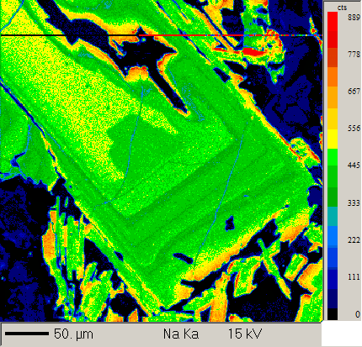
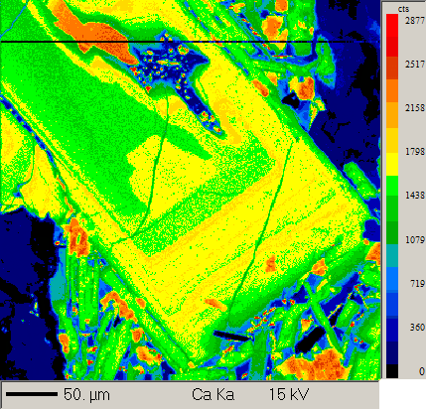
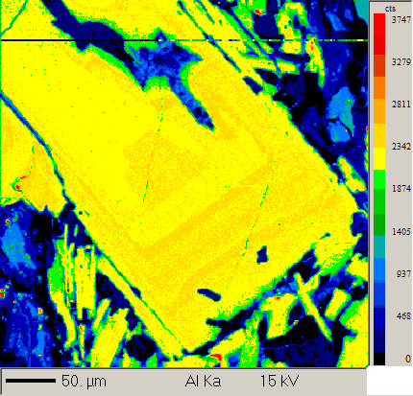
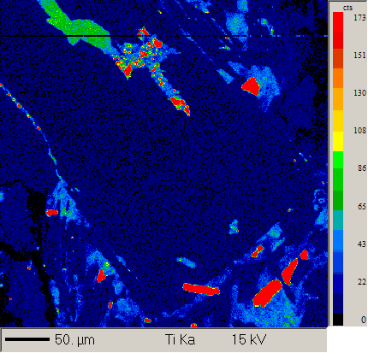
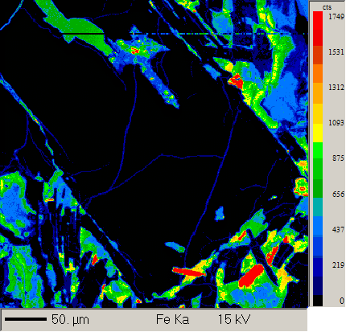
Auto analysis

Formula | Na2O | K2O | MgO | CaO | FeO | SrO | Al2O3 | SiO2 | TiO2 | Total | Comment
1 / 1 . | 5.63 | 0.19 | 0.12 | 10.75 | 0.69 | 0.08 | 26.77 | 55.87 | 0.08 | 100.19 | Phenocryst 1 core to rim along c axis | Plagioclase
1 / 2 . | 5.37 | 0.18 | 0.12 | 10.85 | 0.71 | 0.10 | 26.67 | 55.51 | 0.09 | 99.59 | Phenocryst 1 core to rim along c axis | Plagioclase
1 / 3 . | 5.48 | 0.17 | 0.11 | 10.68 | 0.70 | 0.10 | 26.11 | 54.32 | 0.09 | 97.77 | Phenocryst 1 core to rim along c axis | Plagioclase
1 / 4 . | 5.22 | 0.17 | 0.11 | 10.65 | 0.65 | 0.08 | 26.19 | 54.59 | 0.09 | 97.75 | Phenocryst 1 core to rim along c axis | Plagioclase
1 / 5 . | 4.53 | 0.13 | 0.10 | 12.04 | 0.68 | 0.09 | 27.60 | 52.69 | 0.07 | 97.93 | Phenocryst 1 core to rim along c axis | Plagioclase
1 / 6 . | 4.61 | 0.13 | 0.10 | 12.23 | 0.65 | 0.08 | 28.07 | 53.49 | 0.06 | 99.44 | Phenocryst 1 core to rim along c axis | Plagioclase
1 / 7 . | 4.62 | 0.13 | 0.12 | 11.64 | 0.71 | 0.07 | 27.13 | 52.53 | 0.09 | 97.07 | Phenocryst 1 core to rim along c axis | Plagioclase
1 / 8 . | 4.45 | 0.13 | 0.15 | 12.66 | 0.74 | 0.09 | 28.52 | 53.35 | 0.07 | 100.16 | Phenocryst 1 core to rim along c axis | Plagioclase
1 / 9 . | 4.34 | 0.14 | 0.20 | 12.73 | 0.78 | 0.08 | 28.00 | 53.30 | 0.11 | 99.69 | Phenocryst 1 core to rim along c axis | Plagioclase
1 / 10 . | 5.41 | 0.28 | 0.11 | 10.40 | 0.82 | 0.07 | 26.35 | 54.51 | 0.12 | 98.07 | Phenocryst 1 core to rim along c axis | Plagioclase
2 / 1 . | 1.78 | 0.04 | 0.14 | 17.40 | 0.65 | 0.06 | 32.79 | 46.73 | 0.04 | 99.63 | Phenocryst 2 core | Plagioclase
3 / 1 . | 1.85 | 0.04 | 0.14 | 16.78 | 0.65 | 0.06 | 31.66 | 46.60 | 0.04 | 97.83 | Phenocryst 2 core | Plagioclase
4 / 1 . | 1.79 | 0.03 | 0.14 | 17.02 | 0.65 | 0.08 | 31.74 | 45.92 | 0.04 | 97.41 | Phenocryst 2 core | Plagioclase
5 / 1 . | 5.16 | 0.24 | 0.12 | 11.04 | 0.87 | 0.06 | 26.35 | 53.59 | 0.14 | 97.55 | Phenocryst 2 rim | Plagioclase
6 / 1 . | 5.62 | 0.29 | 0.10 | 10.21 | 0.87 | 0.08 | 26.22 | 55.33 | 0.12 | 98.84 | Phenocryst 2 rim | Plagioclase
7 / 1 . | 0.30 | 0.01 | 14.09 | 17.16 | 12.14 | 0.02 | 2.61 | 49.35 | 1.29 | 97.27 | Phenocryst 2 rim | Plagioclase
8 / 1 . | 1.82 | 0.03 | 0.14 | 17.41 | 0.64 | 0.07 | 32.62 | 47.31 | 0.04 | 100.10 | Phenocryst 3 core | Plagioclase
9 / 1 . | 1.73 | 0.04 | 0.17 | 17.46 | 0.66 | 0.07 | 32.33 | 46.94 | 0.04 | 99.44 | Phenocryst 3 core | Plagioclase
10 / 1 . | 1.98 | 0.04 | 0.14 | 16.84 | 0.62 | 0.06 | 31.20 | 46.20 | 0.04 | 97.12 | Phenocryst 3 core | Plagioclase | Plagioclase phenocryst 8 element maps
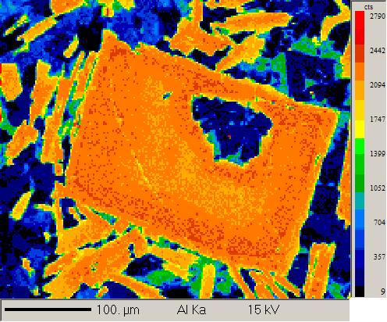
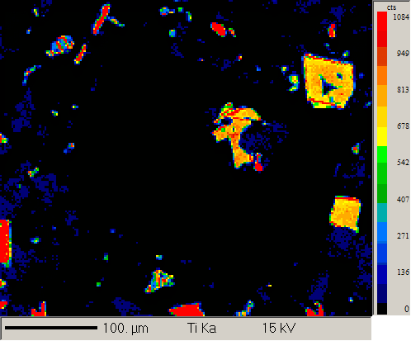
11 / 1 . | 5.35 | 0.30 | 0.10 | 10.48 | 0.88 | 0.06 | 25.98 | 54.51 | 0.12 | 97.77 | Phenocryst 3 rim | Plagioclase
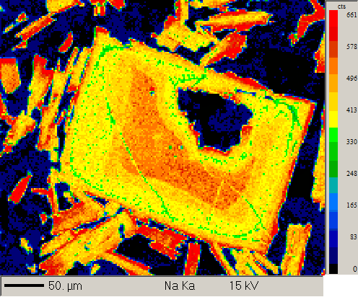
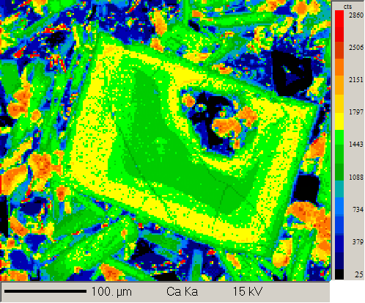
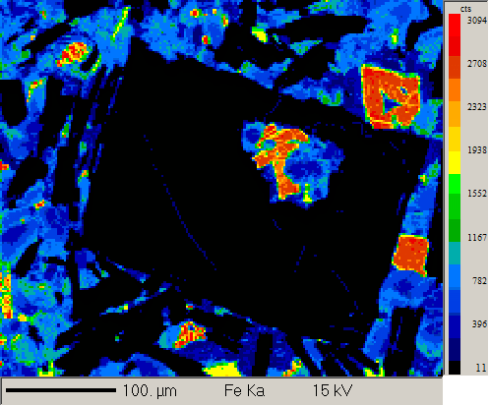
12 / 1 . | 4.87 | 0.23 | 0.12 | 11.51 | 0.80 | 0.07 | 26.99 | 53.13 | 0.12 | 97.84 | Phenocryst 3 rim | Plagioclase
13 / 1 . | 4.80 | 0.20 | 0.13 | 11.75 | 0.84 | 0.06 | 27.24 | 52.86 | 0.12 | 97.99 | Phenocryst 3 rim | Plagioclase
14 / 1 . | 2.01 | 0.03 | 0.14 | 17.16 | 0.65 | 0.06 | 32.05 | 47.17 | 0.04 | 99.33 | Phenocryst 4 core | Plagioclase
15 / 1 . | 1.81 | 0.03 | 0.14 | 17.05 | 0.67 | 0.07 | 31.58 | 46.21 | 0.04 | 97.61 | Phenocryst 4 core | Plagioclase
16 / 1 . | 2.02 | 0.04 | 0.15 | 16.65 | 0.62 | 0.06 | 31.26 | 46.60 | 0.05 | 97.44 | Phenocryst 4 core | Plagioclase
17 / 1 . | 1.88 | 0.04 | 0.14 | 17.27 | 0.74 | 0.08 | 32.13 | 46.97 | 0.04 | 99.28 | Phenocryst 4 rim | Plagioclase
18 / 1 . | 2.05 | 0.04 | 0.15 | 17.13 | 0.70 | 0.07 | 31.97 | 47.62 | 0.05 | 99.78 | Phenocryst 4 rim | Plagioclase
20 / 1 . | 4.86 | 0.14 | 0.14 | 12.10 | 0.73 | 0.07 | 27.35 | 54.39 | 0.09 | 99.87 | Phenocryst 5 core | Plagioclase
21 / 1 . | 3.32 | 0.09 | 0.13 | 14.58 | 0.87 | 0.07 | 29.27 | 49.41 | 0.08 | 97.84 | Phenocryst 5 core | Plagioclase
22 / 1 . | 4.61 | 0.13 | 0.14 | 12.41 | 0.80 | 0.08 | 27.93 | 53.47 | 0.08 | 99.66 | Phenocryst 5 core | Plagioclase
23 / 1 . | 4.97 | 0.19 | 0.16 | 11.82 | 0.85 | 0.06 | 27.48 | 54.11 | 0.16 | 99.78 | Phenocryst 5 rim | Plagioclase
24 / 1 . | 5.10 | 0.19 | 0.16 | 11.16 | 0.90 | 0.05 | 26.65 | 53.17 | 0.16 | 97.54 | Phenocryst 5 rim | Plagioclase
25 / 1 . | 5.66 | 0.32 | 0.09 | 10.50 | 0.92 | 0.08 | 26.50 | 55.87 | 0.13 | 100.07 | Phenocryst 5 rim | Plagioclase
26 / 1 . | 7.35 | 0.40 | 0.03 | 7.63 | 0.45 | 0.10 | 24.13 | 60.18 | 0.02 | 100.30 | Phenocryst 6 core | Plagioclase
27 / 1 . | 7.28 | 0.41 | 0.03 | 7.26 | 0.43 | 0.10 | 23.67 | 58.86 | 0.02 | 98.07 | Phenocryst 6 core | Plagioclase
28 / 1 . | 6.70 | 0.31 | 0.03 | 8.19 | 0.50 | 0.09 | 24.15 | 57.71 | 0.03 | 97.71 | Phenocryst 6 core | Plagioclase
29 / 1 . | 4.26 | 0.17 | 0.17 | 13.06 | 0.96 | 0.08 | 28.01 | 52.40 | 0.14 | 99.26 | Phenocryst 6 rim above fracture | Plagioclase
30 / 1 . | 4.01 | 0.13 | 0.16 | 13.12 | 0.91 | 0.07 | 27.68 | 50.72 | 0.11 | 96.90 | Phenocryst 6 rim above fracture | Plagioclase
31 / 1 . | 6.46 | 0.27 | 0.05 | 8.50 | 0.55 | 0.10 | 24.23 | 56.64 | 0.04 | 96.85 | Phenocryst 6 rim below fracture | Plagioclase
32 / 1 . | 6.50 | 0.27 | 0.05 | 8.60 | 0.57 | 0.09 | 24.32 | 56.69 | 0.05 | 97.14 | Phenocryst 6 rim below fracture | Plagioclase
33 / 1 . | 5.85 | 0.21 | 0.04 | 9.79 | 0.57 | 0.10 | 25.73 | 55.46 | 0.05 | 97.81 | Phenocryst 7 core | Plagioclase
34 / 1 . | 6.04 | 0.22 | 0.05 | 9.59 | 0.55 | 0.09 | 25.44 | 55.42 | 0.05 | 97.46 | Phenocryst 7 core | Plagioclase
35 / 1 . | 5.92 | 0.22 | 0.05 | 9.69 | 0.51 | 0.08 | 25.45 | 55.46 | 0.05 | 97.43 | Phenocryst 7 core | Plagioclase
36 / 1 . | 4.34 | 0.19 | 0.12 | 13.09 | 0.82 | 0.07 | 28.36 | 52.38 | 0.12 | 99.49 | Phenocryst 7 rim | Plagioclase
37 / 1 . | 4.95 | 0.19 | 0.13 | 12.00 | 0.79 | 0.07 | 27.47 | 54.28 | 0.13 | 100.01 | Phenocryst 7 rim | Plagioclase
38 / 1 . | 5.12 | 0.21 | 0.13 | 11.77 | 0.81 | 0.07 | 27.06 | 54.66 | 0.12 | 99.94 | Phenocryst 7 rim | Plagioclase
39 / 1 . | 5.86 | 0.19 | 0.09 | 9.87 | 0.63 | 0.10 | 25.84 | 55.21 | 0.10 | 97.89 | Phenocryst 8 core | Plagioclase
40 / 1 . | 5.92 | 0.19 | 0.10 | 10.19 | 0.68 | 0.09 | 26.61 | 56.42 | 0.10 | 100.29 | Phenocryst 8 core | Plagioclase
41 / 1 . | 5.80 | 0.19 | 0.10 | 10.06 | 0.63 | 0.11 | 26.32 | 56.52 | 0.09 | 99.82 | Phenocryst 8 core | Plagioclase
42 / 1 . | 4.92 | 0.18 | 0.16 | 11.97 | 0.81 | 0.07 | 27.63 | 53.96 | 0.13 | 99.83 | Phenocryst 8 rim | Plagioclase
43 / 1 . | 4.86 | 0.22 | 0.09 | 11.70 | 1.05 | 0.07 | 27.32 | 53.56 | 0.15 | 99.03 | Phenocryst 8 rim | Plagioclase
44 / 1 . | 4.17 | 0.17 | 0.16 | 12.76 | 0.89 | 0.08 | 27.50 | 51.85 | 0.11 | 97.70 | Phenocryst 8 rim | Plagioclase

Manual analysis

Formula | Na2O | K2O | MgO | CaO | FeO | SrO | Al2O3 | SiO2 | TiO2 | Total | Comment
1 / 1 . | 5.01 | 0.22 | 0.21 | 10.96 | 1.14 | 0.07 | 26.25 | 53.37 | 0.15 | 97.40 | IS16/3_groundmass_plag_1 | Plagioclase
2 / 1 . | 1.61 | 0.05 | 11.09 | 16.25 | 8.79 | 0.02 | 9.51 | 50.92 | 1.06 | 99.54 | IS16/3_groundmass_plag_2_core | Plagioclase
3 / 1 . | 5.96 | 0.60 | 0.09 | 9.53 | 1.03 | 0.09 | 25.54 | 56.73 | 0.09 | 99.68 | IS16/3_groundmass_plag_2_rim | Plagioclase
4 / 1 . | 4.73 | 0.21 | 0.11 | 12.00 | 0.96 | 0.05 | 27.90 | 53.61 | 0.11 | 99.71 | IS16/3_groundmass_plag_2_core2 | Plagioclase
5 / 1 . | 4.33 | 0.17 | 0.17 | 12.71 | 1.02 | 0.04 | 28.44 | 52.74 | 0.12 | 99.75 | IS16/3_groundmass_plag_3_core | Plagioclase
6 / 1 . | 5.36 | 0.49 | 0.11 | 10.92 | 1.10 | 0.08 | 27.42 | 55.38 | 0.10 | 100.97 | IS16/3_groundmass_plag_3_rim | Plagioclase
7 / 1 . | 5.00 | 0.19 | 0.15 | 11.53 | 0.93 | 0.08 | 27.33 | 54.14 | 0.15 | 99.52 | IS16/3_groundmass_plag_4_core | Plagioclase
8 / 1 . | 6.22 | 0.46 | 0.07 | 9.39 | 0.92 | 0.09 | 25.52 | 57.46 | 0.10 | 100.23 | IS16/3_groundmass_plag_4_rim | Plagioclase
9 / 1 . | 4.84 | 0.26 | 0.09 | 11.60 | 1.20 | 0.07 | 26.91 | 52.80 | 0.14 | 97.92 | IS16/3_groundmass_plag_5_core | Plagioclase
10 / 1 . | 6.23 | 0.46 | 0.10 | 9.00 | 0.95 | 0.09 | 25.16 | 57.41 | 0.10 | 99.50 | IS16/3_groundmass_plag_6_core | Plagioclase
11 / 1 . | 4.78 | 0.22 | 0.11 | 11.62 | 1.13 | 0.06 | 26.91 | 53.17 | 0.14 | 98.15 | IS16/3_groundmass_plag_7_core | Plagioclase
12 / 1 . | 5.51 | 0.51 | 0.25 | 9.83 | 2.03 | 0.07 | 25.50 | 55.35 | 0.31 | 99.38 | IS16/3_groundmass_plag_8_core | Plagioclase
13 / 1 . | 4.87 | 0.33 | 0.10 | 11.80 | 1.01 | 0.09 | 27.83 | 53.92 | 0.22 | 100.19 | IS16/3_groundmass_plag_8_rim | Plagioclase
14 / 1 . | 4.87 | 0.27 | 0.09 | 11.60 | 1.17 | 0.08 | 27.05 | 52.99 | 0.16 | 98.31 | IS16/3_groundmass_plag_9_core | Plagioclase

1516_5
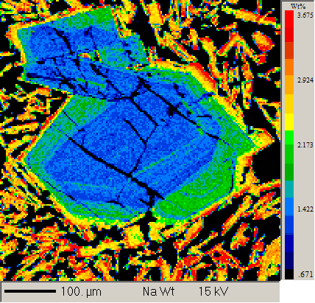
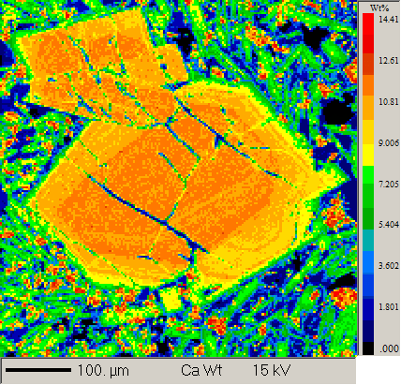
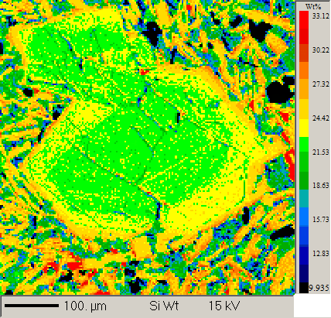
group 1 |  |  |  |  |  |  |  |  |  |  |  | Geoff notes | Plagioclase phenocryst 4 element maps
15_16_5 central volcano
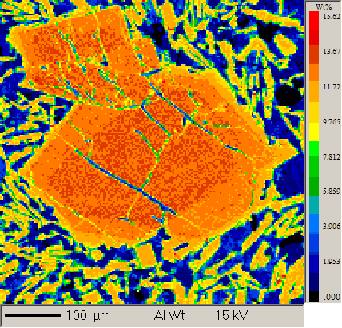
Auto analysis

Formula | Na2O | K2O | MgO | CaO | FeO | SrO | Al2O3 | SiO2 | TiO2 | Total | Comment
1 / 1 . | 4.50 | 0.13 | 0.17 | 12.51 | 0.82 | 0.08 | 28.06 | 53.26 | 0.09 | 99.62 | IS/16-5 Plag phenocryst 2 core | Plagioclase
2 / 1 . | 4.44 | 0.13 | 0.17 | 12.44 | 0.79 | 0.07 | 28.15 | 53.23 | 0.09 | 99.53 | IS/16-5 Plag phenocryst 2 core | Plagioclase
3 / 1 . | 4.59 | 0.13 | 0.15 | 12.55 | 0.76 | 0.08 | 28.08 | 53.25 | 0.09 | 99.68 | IS/16-5 Plag phenocryst 2 core | Plagioclase
4 / 1 . | 5.00 | 0.19 | 0.18 | 11.63 | 0.89 | 0.07 | 27.35 | 54.45 | 0.15 | 99.92 | IS/16-5 Plag phenocryst 2 rim | Plagioclase
5 / 1 . | 4.78 | 0.18 | 0.16 | 11.94 | 0.91 | 0.06 | 27.54 | 53.65 | 0.15 | 99.38 | IS/16-5 Plag phenocryst 2 rim | Plagioclase
6 / 1 . | 4.92 | 0.20 | 0.13 | 11.37 | 0.78 | 0.07 | 26.95 | 53.63 | 0.13 | 98.20 | IS/16-5 Plag phenocryst 2 rim | Plagioclase
7 / 1 . | 5.73 | 0.31 | 0.12 | 10.21 | 0.96 | 0.09 | 26.56 | 56.44 | 0.15 | 100.58 | IS/16-5 Plag phenocryst 3 rim a | Plagioclase
8 / 1 . | 5.42 | 0.25 | 0.13 | 10.68 | 0.98 | 0.06 | 26.23 | 54.94 | 0.14 | 98.84 | IS/16-5 Plag phenocryst 3 rim a | Plagioclase
9 / 1 . | 3.06 | 0.07 | 0.14 | 14.93 | 0.81 | 0.07 | 30.40 | 50.13 | 0.07 | 99.69 | IS/16-5 Plag phenocryst 3 core | Plagioclase
10 / 1 . | 3.16 | 0.08 | 0.15 | 14.56 | 0.84 | 0.08 | 29.48 | 49.86 | 0.08 | 98.30 | IS/16-5 Plag phenocryst 3 core | Plagioclase
11 / 1 . | 3.10 | 0.08 | 0.15 | 14.57 | 0.87 | 0.06 | 29.83 | 49.30 | 0.07 | 98.04 | IS/16-5 Plag phenocryst 3 core | Plagioclase
12 / 1 . | 3.67 | 0.10 | 0.17 | 13.71 | 0.90 | 0.08 | 28.80 | 50.59 | 0.07 | 98.09 | IS/16-5 Plag phenocryst 3 rim b | Plagioclase
14 / 1 . | 4.64 | 0.19 | 0.28 | 12.11 | 1.06 | 0.07 | 27.39 | 53.39 | 0.10 | 99.24 | IS/16-5 Plag phenocryst 3 rim b | Plagioclase
15 / 1 . | 5.58 | 0.27 | 0.17 | 10.51 | 0.99 | 0.07 | 26.48 | 55.43 | 0.15 | 99.66 | IS/16-5 Plag phenocryst 3 rim c | Plagioclase
16 / 1 . | 6.25 | 0.33 | 0.09 | 9.56 | 0.79 | 0.07 | 26.16 | 56.72 | 0.14 | 100.12 | IS/16-5 Plag phenocryst 3 rim c | Plagioclase
17 / 1 . | 6.15 | 0.33 | 0.08 | 9.84 | 0.78 | 0.07 | 26.14 | 56.53 | 0.13 | 100.07 | IS/16-5 Plag phenocryst 3 rim c | Plagioclase
18 / 1 . | 2.66 | 0.06 | 0.13 | 16.10 | 0.83 | 0.05 | 30.67 | 48.95 | 0.06 | 99.51 | IS/16-5 Plag phenocryst 4 core | Plagioclase
19 / 1 . | 2.58 | 0.06 | 0.13 | 16.00 | 0.85 | 0.06 | 30.68 | 48.87 | 0.06 | 99.29 | IS/16-5 Plag phenocryst 4 core | Plagioclase
20 / 1 . | 2.44 | 0.06 | 0.13 | 16.00 | 0.79 | 0.07 | 30.66 | 47.53 | 0.06 | 97.74 | IS/16-5 Plag phenocryst 4 core | Plagioclase
21 / 1 . | 4.69 | 0.21 | 0.13 | 12.47 | 0.86 | 0.06 | 27.85 | 52.67 | 0.12 | 99.06 | IS/16-5 Plag phenocryst 4 core | Plagioclase
22 / 1 . | 3.36 | 0.14 | 0.14 | 14.90 | 0.92 | 0.07 | 29.53 | 49.52 | 0.09 | 98.68 | IS/16-5 Plag phenocryst 4 core | Plagioclase
23 / 1 . | 3.31 | 0.09 | 0.15 | 14.53 | 0.86 | 0.07 | 29.13 | 49.70 | 0.08 | 97.93 | IS/16-5 Plag phenocryst 4 core | Plagioclase

manual analysis

Formula | Na2O | K2O | MgO | CaO | FeO | SrO | Al2O3 | SiO2 | TiO2 | Total | Comment
1 / 1 . | 3.74 | 0.11 | 0.16 | 13.99 | 0.81 | 0.06 | 29.44 | 52.19 | 0.07 | 100.58 | core IS16/5 top center left elongate NNE/SSW | Plagioclase
2 / 1 . | 3.17 | 0.09 | 0.15 | 14.48 | 0.82 | 0.06 | 29.74 | 49.65 | 0.07 | 98.23 | core IS16/5 top center left elongate NNE/SSW 2 | Plagioclase
4 / 1 . | 3.13 | 0.08 | 0.18 | 15.06 | 0.91 | 0.07 | 30.45 | 49.71 | 0.07 | 99.67 | core IS16/5 top center left elongate NNE/SSW rim 2 | Plagioclase
5 / 1 . | 5.28 | 0.24 | 0.14 | 11.47 | 1.06 | 0.06 | 27.25 | 55.27 | 0.15 | 100.93 | groundmass plag IS16-5 | Plagioclase
7 / 1 . | 6.28 | 0.33 | 0.09 | 9.24 | 0.90 | 0.06 | 25.78 | 57.26 | 0.14 | 100.10 | groundmass plag 3 IS16-5 | Plagioclase
9 / 1 . | 5.16 | 0.24 | 0.19 | 11.38 | 1.14 | 0.06 | 27.57 | 55.36 | 0.15 | 101.25 | groundmass plag 4 IS16-5 | Plagioclase
10 / 1 . | 5.11 | 0.23 | 0.25 | 11.21 | 1.27 | 0.08 | 27.04 | 53.92 | 0.21 | 99.32 | groundmass plag 5 IS16-5 | Plagioclase
11 / 1 . | 5.85 | 0.29 | 0.31 | 9.99 | 1.52 | 0.07 | 26.27 | 55.86 | 0.31 | 100.48 | groundmass plag 6 IS16-5 | Plagioclase
12 / 1 . | 5.89 | 0.32 | 0.44 | 9.91 | 1.58 | 0.06 | 26.39 | 57.04 | 0.13 | 101.78 | groundmass plag 7 IS16-5 | Plagioclase
13 / 1 . | 6.46 | 0.36 | 0.12 | 9.14 | 0.99 | 0.07 | 25.51 | 57.69 | 0.15 | 100.50 | groundmass plag 8 IS16-5 | Plagioclase

1516_6
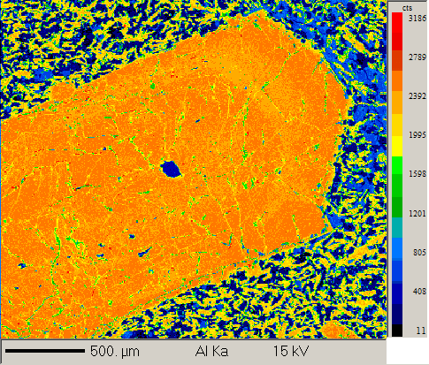
Group 2 |  |  |  |  |  |  |  |  |  |  |  | Geoff notes | Plagioclase phenocryst 4 element maps
15_16_6 central volcano
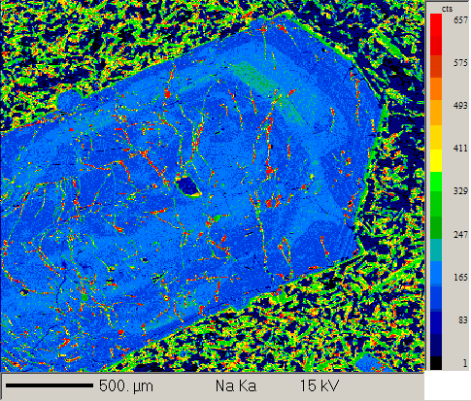
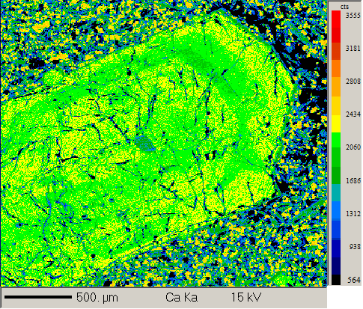
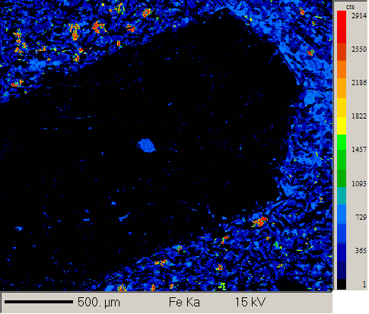
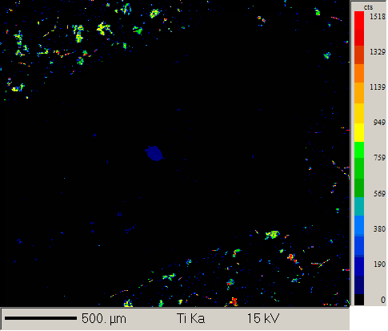
Auto analysis

Formula | Na2O | K2O | MgO | CaO | FeO | SrO | Al2O3 | SiO2 | TiO2 | Total | Comment
2 / 1 . | 1.76 | 0.03 | 0.18 | 17.21 | 0.57 | 0.06 | 31.79 | 46.38 | 0.03 | 98.02 | Plagioclase phenocryst 1 core | Plagioclase
3 / 1 . | 1.80 | 0.03 | 0.18 | 17.53 | 0.53 | 0.06 | 32.10 | 47.05 | 0.03 | 99.32 | Plagioclase phenocryst 1 core | Plagioclase
4 / 1 . | 3.94 | 0.45 | 0.13 | 12.85 | 1.14 | 0.08 | 28.76 | 52.36 | 0.13 | 99.84 | Plagioclase phenocryst 1 rim | Plagioclase
5 / 1 . | 6.35 | 0.46 | 0.08 | 8.99 | 0.84 | 0.09 | 25.63 | 57.81 | 0.13 | 100.37 | Plagioclase phenocryst 1 rim | Plagioclase
6 / 1 . | 3.43 | 0.13 | 0.11 | 14.71 | 0.88 | 0.07 | 29.64 | 50.72 | 0.06 | 99.76 | Plagioclase phenocryst 1 rim | Plagioclase
7 / 1 . | 0.28 | 0.00 | 14.98 | 20.68 | 6.48 | 0.03 | 4.48 | 49.14 | 0.91 | 97.12 | Small Plagioclase phenocryst 2 core | Plagioclase
8 / 1 . | 0.30 | 0.00 | 14.67 | 20.92 | 6.51 | 0.02 | 5.01 | 50.05 | 1.17 | 98.79 | Small Plagioclase phenocryst 2 core | Plagioclase
9 / 1 . | 0.28 | 0.00 | 14.87 | 20.84 | 6.72 | 0.01 | 4.45 | 50.27 | 0.96 | 98.55 | Small Plagioclase phenocryst 2 core | Plagioclase
10 / 1 . | 0.25 | 0.01 | 15.07 | 19.93 | 7.03 | 0.02 | 5.10 | 49.45 | 1.24 | 98.25 | Small Plagioclase phenocryst 2 rim | Plagioclase
11 / 1 . | 0.26 | 0.00 | 15.16 | 19.95 | 6.99 | 0.03 | 5.14 | 49.78 | 1.20 | 98.67 | Small Plagioclase phenocryst 2 rim | Plagioclase
14 / 1 . | 1.62 | 0.02 | 0.15 | 17.59 | 0.55 | 0.07 | 32.36 | 46.88 | 0.03 | 99.26 | Plagioclase phenocryst 3 core | Plagioclase
17 / 1 . | 5.36 | 0.34 | 0.09 | 10.55 | 0.85 | 0.08 | 26.19 | 54.55 | 0.12 | 98.12 | Plagioclase phenocryst 3 rim | Plagioclase
18 / 1 . | 3.43 | 0.15 | 0.10 | 14.40 | 0.70 | 0.07 | 30.36 | 50.82 | 0.08 | 100.12 | Plagioclase phenocryst 3 rim | Plagioclase
20 / 4 . | 1.72 | 0.03 | 0.17 | 17.37 | 0.59 | 0.06 | 32.40 | 47.35 | 0.03 | 99.72 | Plagioclase phenocryst 3 core to rim | Plagioclase
20 / 6 . | 1.44 | 0.02 | 0.16 | 17.74 | 0.53 | 0.06 | 32.58 | 46.67 | 0.03 | 99.24 | Plagioclase phenocryst 3 core to rim | Plagioclase
20 / 8 . | 1.41 | 0.02 | 0.16 | 17.83 | 0.51 | 0.06 | 32.22 | 46.01 | 0.03 | 98.24 | Plagioclase phenocryst 3 core to rim | Plagioclase
20 / 9 . | 1.43 | 0.02 | 0.16 | 18.21 | 0.53 | 0.07 | 32.79 | 46.77 | 0.03 | 100.03 | Plagioclase phenocryst 3 core to rim | Plagioclase
20 / 10 . | 1.39 | 0.05 | 0.17 | 18.05 | 0.69 | 0.05 | 32.91 | 46.42 | 0.22 | 99.94 | Plagioclase phenocryst 3 core to rim | Plagioclase
20 / 11 . | 1.53 | 0.02 | 0.22 | 17.43 | 0.56 | 0.06 | 32.09 | 45.81 | 0.03 | 97.75 | Plagioclase phenocryst 3 core to rim | Plagioclase
20 / 12 . | 1.56 | 0.02 | 0.18 | 17.78 | 0.54 | 0.06 | 32.36 | 47.13 | 0.03 | 99.66 | Plagioclase phenocryst 3 core to rim | Plagioclase
20 / 13 . | 1.37 | 0.02 | 0.15 | 18.01 | 0.52 | 0.07 | 32.59 | 45.74 | 0.03 | 98.50 | Plagioclase phenocryst 3 core to rim | Plagioclase
20 / 14 . | 1.67 | 0.03 | 0.19 | 17.38 | 0.55 | 0.07 | 32.54 | 47.00 | 0.04 | 99.47 | Plagioclase phenocryst 3 core to rim | Plagioclase
20 / 15 . | 2.03 | 0.03 | 0.21 | 16.95 | 0.57 | 0.07 | 31.56 | 47.61 | 0.04 | 99.06 | Plagioclase phenocryst 3 core to rim | Plagioclase
20 / 17 . | 1.83 | 0.03 | 0.19 | 17.59 | 0.57 | 0.05 | 32.51 | 47.80 | 0.03 | 100.61 | Plagioclase phenocryst 3 core to rim | Plagioclase
20 / 18 . | 1.50 | 0.02 | 0.17 | 17.89 | 0.54 | 0.06 | 32.61 | 46.86 | 0.04 | 99.71 | Plagioclase phenocryst 3 core to rim | Plagioclase
20 / 19 . | 1.77 | 0.03 | 0.18 | 16.80 | 0.60 | 0.07 | 30.96 | 45.67 | 0.03 | 96.11 | Plagioclase phenocryst 3 core to rim | Plagioclase
20 / 20 . | 4.32 | 0.21 | 0.11 | 12.49 | 0.94 | 0.08 | 27.72 | 51.82 | 0.09 | 97.78 | Plagioclase phenocryst 3 core to rim | Plagioclase
21 / 1 . | 1.64 | 0.02 | 0.17 | 17.83 | 0.59 | 0.07 | 32.39 | 47.14 | 0.04 | 99.88 | Plagioclase phenocryst 4 core | Plagioclase
22 / 1 . | 1.59 | 0.03 | 0.17 | 17.52 | 0.55 | 0.07 | 31.65 | 46.48 | 0.03 | 98.10 | Plagioclase phenocryst 4 core | Plagioclase
23 / 1 . | 1.61 | 0.03 | 0.17 | 17.89 | 0.58 | 0.06 | 32.88 | 46.79 | 0.03 | 100.04 | Plagioclase phenocryst 4 core | Plagioclase
24 / 1 . | 4.13 | 0.16 | 0.14 | 13.22 | 0.96 | 0.07 | 29.11 | 52.44 | 0.09 | 100.33 | Plagioclase phenocryst 4 rim | Plagioclase
25 / 1 . | 3.49 | 0.14 | 0.13 | 14.29 | 0.86 | 0.08 | 29.80 | 51.24 | 0.07 | 100.10 | Plagioclase phenocryst 4 rim | Plagioclase
26 / 1 . | 2.06 | 0.05 | 0.13 | 17.03 | 0.76 | 0.06 | 32.09 | 47.67 | 0.04 | 99.89 | Plagioclase phenocryst 4 rim | Plagioclase
27 / 1 . | 1.64 | 0.03 | 0.12 | 17.37 | 0.79 | 0.05 | 32.07 | 46.12 | 0.03 | 98.24 | Plagioclase phenocryst 4 rim | Plagioclase
28 / 1 . | 1.69 | 0.03 | 0.19 | 17.67 | 0.55 | 0.07 | 32.32 | 47.01 | 0.03 | 99.55 | Plagioclase phenocryst 5 core | Plagioclase
29 / 1 . | 1.73 | 0.03 | 0.19 | 17.52 | 0.54 | 0.06 | 32.40 | 46.96 | 0.04 | 99.47 | Plagioclase phenocryst 5 core | Plagioclase
30 / 1 . | 1.78 | 0.03 | 0.19 | 17.72 | 0.55 | 0.05 | 32.09 | 47.43 | 0.03 | 99.87 | Plagioclase phenocryst 5 core | Plagioclase
31 / 1 . | 1.54 | 0.03 | 0.18 | 17.21 | 0.64 | 0.06 | 32.28 | 45.73 | 0.03 | 97.70 | Plagioclase phenocryst 5 rim? | Plagioclase
32 / 1 . | 1.60 | 0.03 | 0.17 | 17.70 | 0.65 | 0.05 | 32.62 | 46.78 | 0.03 | 99.64 | Plagioclase phenocryst 5 rim | Plagioclase
33 / 1 . | 1.63 | 0.03 | 0.16 | 17.48 | 0.64 | 0.06 | 32.88 | 46.76 | 0.04 | 99.68 | Plagioclase phenocryst 5 rim | Plagioclase

manual analysis

Formula | Na2O | K2O | MgO | CaO | FeO | SrO | Al2O3 | SiO2 | TiO2 | Total | Comment
4 / 1 . | 1.51 | 0.03 | 0.17 | 17.62 | 0.56 | 0.06 | 32.43 | 46.27 | 0.03 | 98.68 | sample 6 plag core | Plagioclase
5 / 1 . | 4.44 | 0.23 | 0.08 | 12.63 | 1.17 | 0.08 | 28.17 | 53.03 | 0.09 | 99.93 | sample 6 groundmass core | Plagioclase
7 / 1 . | 4.11 | 0.31 | 0.06 | 13.07 | 0.99 | 0.08 | 28.43 | 51.55 | 0.10 | 98.69 | sample 6 groundmass core | Plagioclase
8 / 1 . | 4.07 | 0.22 | 0.07 | 13.30 | 1.12 | 0.07 | 28.91 | 52.46 | 0.13 | 100.35 | sample 6 groundmass core | Plagioclase
10 / 1 . | 5.15 | 0.43 | 0.07 | 11.56 | 0.97 | 0.09 | 27.22 | 54.53 | 0.12 | 100.13 | sample 6 groundmass core | Plagioclase
11 / 1 . | 3.82 | 0.20 | 0.08 | 13.54 | 1.22 | 0.08 | 28.53 | 50.64 | 0.10 | 98.22 | sample 6 groundmass core | Plagioclase
12 / 1 . | 3.99 | 0.21 | 0.09 | 13.24 | 1.05 | 0.08 | 28.40 | 51.24 | 0.09 | 98.38 | sample 6 groundmass core | Plagioclase

1516_11
Group 6 |  |  |  |  |  |  |  |  |  |  |  | Geoff notes
15_16_11 flood basalt

Auto analysis |  |  |  |  |  |  |  |  |  |  |  |  | Plagioclase phenocryst 4 element maps
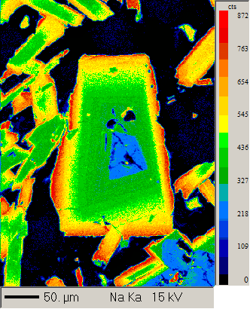
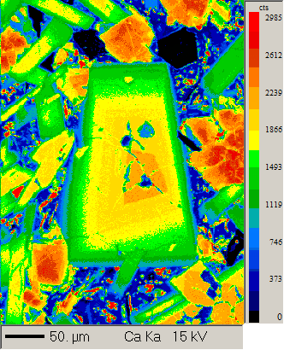
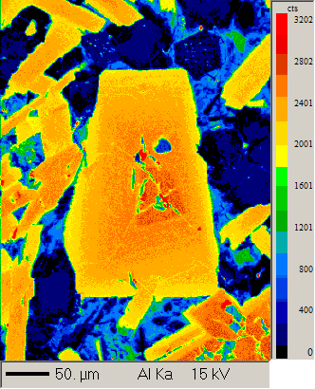
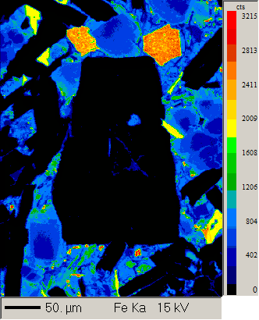
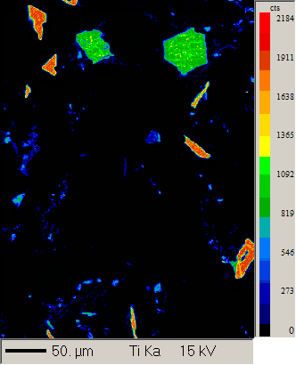
Formula | Na2O | K2O | MgO | CaO | FeO | SrO | Al2O3 | SiO2 | TiO2 | Total | Comment
1 / 1 . | 2.58 | 0.04 | 0.18 | 16.01 | 0.62 | 0.06 | 30.97 | 48.66 | 0.06 | 99.18 | Phenocryst 1 core | Plagioclase
2 / 1 . | 2.60 | 0.04 | 0.18 | 16.13 | 0.62 | 0.06 | 30.94 | 48.45 | 0.05 | 99.08 | Phenocryst 1 core | Plagioclase
3 / 1 . | 2.82 | 0.05 | 0.19 | 15.51 | 0.61 | 0.04 | 30.35 | 48.65 | 0.06 | 98.29 | Phenocryst 1 core | Plagioclase
4 / 1 . | 2.62 | 0.04 | 0.18 | 15.83 | 0.62 | 0.06 | 30.90 | 49.01 | 0.06 | 99.33 | Phenocryst 1 core | Plagioclase
5 / 1 . | 4.23 | 0.11 | 0.17 | 13.21 | 0.70 | 0.05 | 28.73 | 51.76 | 0.10 | 99.07 | Phenocryst 1 rim | Plagioclase
6 / 1 . | 4.46 | 0.12 | 0.16 | 12.98 | 0.72 | 0.07 | 28.70 | 52.11 | 0.09 | 99.41 | Phenocryst 1 rim | Plagioclase
8 / 1 . | 5.64 | 0.23 | 0.11 | 10.68 | 0.78 | 0.07 | 26.44 | 55.21 | 0.13 | 99.29 | Phenocryst 1 rim | Plagioclase
9 / 1 . | 2.66 | 0.05 | 0.18 | 15.81 | 0.61 | 0.05 | 30.42 | 48.65 | 0.06 | 98.50 | Phenocryst 2 core | Plagioclase
10 / 1 . | 2.90 | 0.05 | 0.19 | 15.31 | 0.59 | 0.07 | 29.86 | 49.51 | 0.07 | 98.56 | Phenocryst 2 core | Plagioclase
11 / 1 . | 3.50 | 0.07 | 0.21 | 14.31 | 0.62 | 0.06 | 29.58 | 50.35 | 0.08 | 98.78 | Phenocryst 2 core | Plagioclase
14 / 1 . | 4.18 | 0.13 | 0.13 | 13.22 | 0.84 | 0.07 | 28.68 | 51.35 | 0.14 | 98.76 | Phenocryst 2 rim | Plagioclase
15 / 1 . | 2.62 | 0.04 | 0.18 | 16.15 | 0.58 | 0.07 | 30.89 | 48.66 | 0.06 | 99.25 | Phenocryst 3 core | Plagioclase
16 / 1 . | 2.70 | 0.04 | 0.18 | 15.89 | 0.58 | 0.07 | 30.78 | 48.95 | 0.06 | 99.28 | Phenocryst 3 core | Plagioclase
17 / 1 . | 2.58 | 0.04 | 0.19 | 15.84 | 0.60 | 0.06 | 30.63 | 48.07 | 0.06 | 98.05 | Phenocryst 3 core | Plagioclase
19 / 1 . | 2.45 | 0.04 | 0.18 | 16.17 | 0.67 | 0.06 | 31.11 | 48.51 | 0.05 | 99.23 | Phenocryst 3 rim | Plagioclase
20 / 1 . | 2.46 | 0.04 | 0.18 | 16.17 | 0.75 | 0.07 | 31.26 | 48.73 | 0.05 | 99.71 | Phenocryst 3 rim | Plagioclase
21 / 1 . | 3.75 | 0.08 | 0.21 | 14.06 | 0.61 | 0.08 | 29.52 | 50.97 | 0.08 | 99.35 | Phenocryst 4 core | Plagioclase
22 / 1 . | 2.45 | 0.04 | 0.18 | 16.47 | 0.63 | 0.07 | 31.17 | 47.58 | 0.06 | 98.65 | Phenocryst 4 core | Plagioclase
23 / 1 . | 3.72 | 0.08 | 0.19 | 13.94 | 0.63 | 0.06 | 29.19 | 51.40 | 0.09 | 99.30 | Phenocryst 4 core | Plagioclase
25 / 1 . | 7.53 | 0.43 | 0.05 | 7.01 | 0.84 | 0.08 | 23.33 | 59.00 | 0.12 | 98.39 | Phenocryst 4 rim | Plagioclase
27 / 1 . | 2.72 | 0.04 | 0.19 | 15.77 | 0.59 | 0.06 | 31.20 | 49.42 | 0.05 | 100.05 | Phenocryst 5 core | Plagioclase
28 / 1 . | 2.57 | 0.05 | 0.19 | 15.65 | 0.58 | 0.06 | 30.82 | 48.31 | 0.06 | 98.27 | Phenocryst 5 core | Plagioclase
29 / 1 . | 2.49 | 0.04 | 0.18 | 16.35 | 0.59 | 0.06 | 31.66 | 48.96 | 0.06 | 100.41 | Phenocryst 5 core | Plagioclase
30 / 1 . | 2.42 | 0.04 | 0.18 | 15.85 | 0.58 | 0.06 | 31.23 | 48.39 | 0.05 | 98.81 | Phenocryst 5 core | Plagioclase | Plagioclase phenocryst 8 element maps
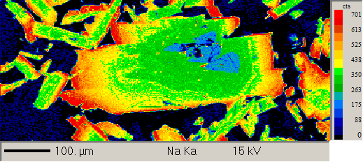
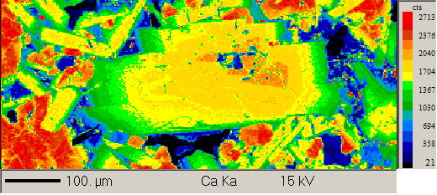
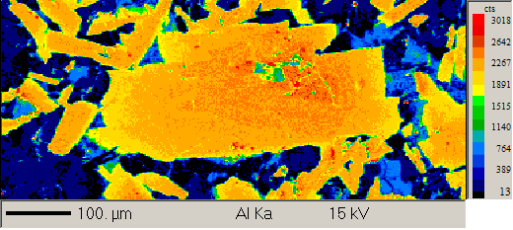
31 / 1 . | 7.29 | 0.52 | 0.07 | 7.83 | 0.80 | 0.10 | 24.37 | 58.91 | 0.10 | 99.99 | Phenocryst 5 rim | Plagioclase
40 / 1 . | 5.37 | 0.19 | 0.12 | 11.05 | 0.73 | 0.05 | 26.46 | 54.54 | 0.12 | 98.64 | Phenocryst 7 core | Plagioclase
43 / 1 . | 7.20 | 0.56 | 0.21 | 7.47 | 1.10 | 0.10 | 23.93 | 58.82 | 0.10 | 99.50 | Phenocryst 7 rim | Plagioclase
44 / 1 . | 7.42 | 0.59 | 0.09 | 7.11 | 0.79 | 0.10 | 24.39 | 59.91 | 0.08 | 100.48 | Phenocryst 7 rim | Plagioclase
45 / 1 . | 5.84 | 0.34 | 0.08 | 9.95 | 0.75 | 0.08 | 26.12 | 55.78 | 0.12 | 99.06 | Phenocryst 7 rim | Plagioclase
46 / 1 . | 5.46 | 0.27 | 0.10 | 10.76 | 0.89 | 0.08 | 26.87 | 54.16 | 0.13 | 98.72 | Phenocryst 7 rim | Plagioclase
47 / 1 . | 3.65 | 0.07 | 0.20 | 13.71 | 0.57 | 0.06 | 29.53 | 50.73 | 0.09 | 98.61 | Phenocryst 8 core | Plagioclase
48 / 1 . | 2.69 | 0.05 | 0.19 | 15.54 | 0.65 | 0.06 | 30.76 | 49.10 | 0.06 | 99.09 | Phenocryst 8 core | Plagioclase
49 / 1 . | 2.42 | 0.04 | 0.18 | 16.36 | 0.64 | 0.06 | 31.93 | 49.11 | 0.05 | 100.80 | Phenocryst 8 core | Plagioclase
50 / 1 . | 6.08 | 0.29 | 0.08 | 10.10 | 0.85 | 0.08 | 26.26 | 55.57 | 0.12 | 99.43 | Phenocryst 8 rim | Plagioclase
53 / 1 . | 6.56 | 0.37 | 0.53 | 8.54 | 2.51 | 0.08 | 24.87 | 56.14 | 0.22 | 99.81 | Phenocryst 8 rim | Plagioclase

manual analysis
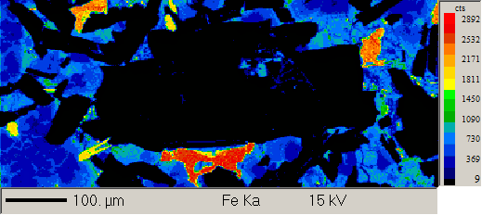
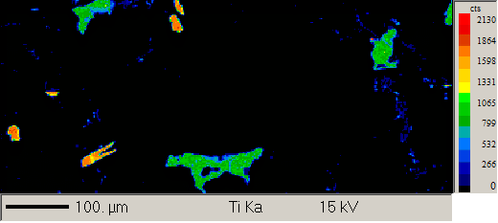
Formula | Na2O | K2O | MgO | CaO | FeO | SrO | Al2O3 | SiO2 | TiO2 | Total | Comment
1 / 1 . | 4.58 | 0.16 | 0.10 | 12.56 | 0.82 | 0.06 | 28.22 | 53.00 | 0.11 | 99.61 | Section 11 Groundmass plagioclase | Plagioclase
4 / 1 . | 0.28 | 0.00 | 14.45 | 18.96 | 12.77 |  | 2.08 | 49.97 | 1.30 | 100.11 | Section 11 Groundmass cpx | clinopyroxene
5 / 1 . | 4.76 | 0.16 | 0.12 | 12.37 | 0.96 | 0.06 | 27.88 | 52.84 | 0.12 | 99.28 | Section 11 Groundmass plagioclase | Plagioclase
6 / 1 . | 4.32 | 0.13 | 0.11 | 13.10 | 0.89 | 0.07 | 28.44 | 52.13 | 0.10 | 99.29 | Section 11 Groundmass plagioclase | Plagioclase
7 / 1 . | 6.04 | 0.27 | 0.09 | 9.99 | 0.89 | 0.09 | 26.33 | 56.58 | 0.12 | 100.42 | Section 11 Groundmass plagioclase | Plagioclase
8 / 1 . | 4.24 | 0.13 | 0.11 | 13.36 | 0.99 | 0.07 | 28.91 | 52.04 | 0.10 | 99.96 | Section 11 Groundmass plagioclase | Plagioclase
9 / 1 . | 4.68 | 0.16 | 0.13 | 12.54 | 0.98 | 0.07 | 28.39 | 53.40 | 0.11 | 100.46 | Section 11 Groundmass plagioclase | Plagioclase
10 / 1 . | 5.70 | 0.21 | 0.12 | 10.65 | 0.87 | 0.07 | 26.49 | 54.70 | 0.14 | 98.95 | Section 11 Groundmass plagioclase | Plagioclase
11 / 1 . | 4.03 | 0.11 | 0.16 | 13.80 | 0.79 | 0.06 | 29.29 | 52.07 | 0.08 | 100.41 | Section 11 Groundmass plagioclase | Plagioclase
12 / 1 . | 5.05 | 0.23 | 0.10 | 11.96 | 0.94 | 0.07 | 28.23 | 54.53 | 0.10 | 101.21 | Section 11 Groundmass plagioclase | Plagioclase
13 / 1 . | 4.82 | 0.17 | 0.11 | 12.40 | 1.09 | 0.07 | 28.09 | 52.94 | 0.12 | 99.83 | Section 11 Groundmass plagioclase | Plagioclase
14 / 1 . | 5.08 | 0.20 | 0.11 | 11.50 | 0.92 | 0.07 | 27.38 | 54.14 | 0.12 | 99.53 | Section 11 Groundmass plagioclase | Plagioclase
15 / 1 . | 4.55 | 0.15 | 0.11 | 12.59 | 0.88 | 0.05 | 28.16 | 53.21 | 0.11 | 99.83 | Section 11 Groundmass plagioclase | Plagioclase
16 / 1 . | 5.08 | 0.18 | 0.11 | 12.08 | 0.77 | 0.07 | 28.33 | 53.81 | 0.12 | 100.54 | Section 11 Groundmass plagioclase | Plagioclase
17 / 1 . | 4.32 | 0.11 | 0.17 | 13.11 | 0.66 | 0.05 | 28.40 | 52.33 | 0.09 | 99.26 | Section 11 Groundmass plagioclase | Plagioclase
18 / 1 . | 5.96 | 0.25 | 0.11 | 10.25 | 0.95 | 0.08 | 25.88 | 55.60 | 0.14 | 99.22 | Section 11 Groundmass plagioclase rim | Plagioclase

